TASK 3.6
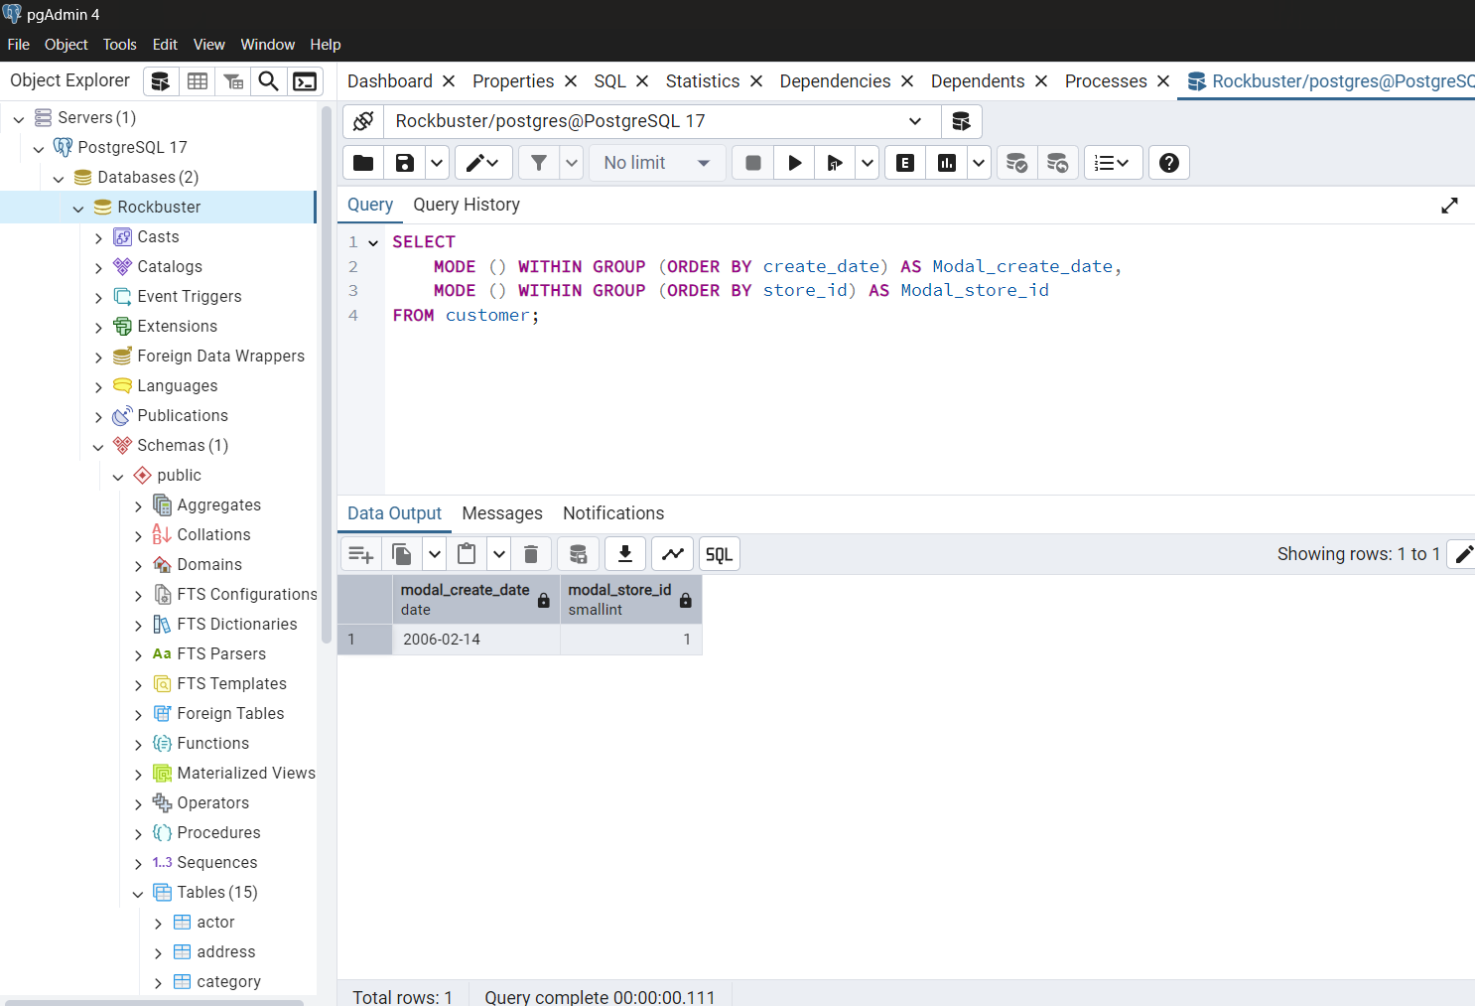
Rockbuster Stealth

DATA OUTPUTS

Created by: Samarjit Gehdu

TASK 3.6
STEP 2:
Summarizing the data for numerical values(Film Table Query)

count_rows | oldest_released_year | latest_released_year | average_released_year | count_released_year | lowest_rental_duration | highest_rental_duration | average_rental_duration | count_rental_duration | lowest_rental_rate | highest_rental_rate | average_rental_rate | count_rental_rate | minimum_film_length | maximum_film_length | average_film_length | count_film_length | lowest_replacement_cost | highest_replacement_cost | average_replacement_cost | count_replacement_cost
1000 | 2006 | 2006 | 2006 | 1000 | 3 | 7 | 4.985 | 1000 | 0.99 | 4.99 | 2.98 | 1000 | 46 | 185 | 115.272 | 1000 | 9.99 | 29.99 | 19.984 | 1000
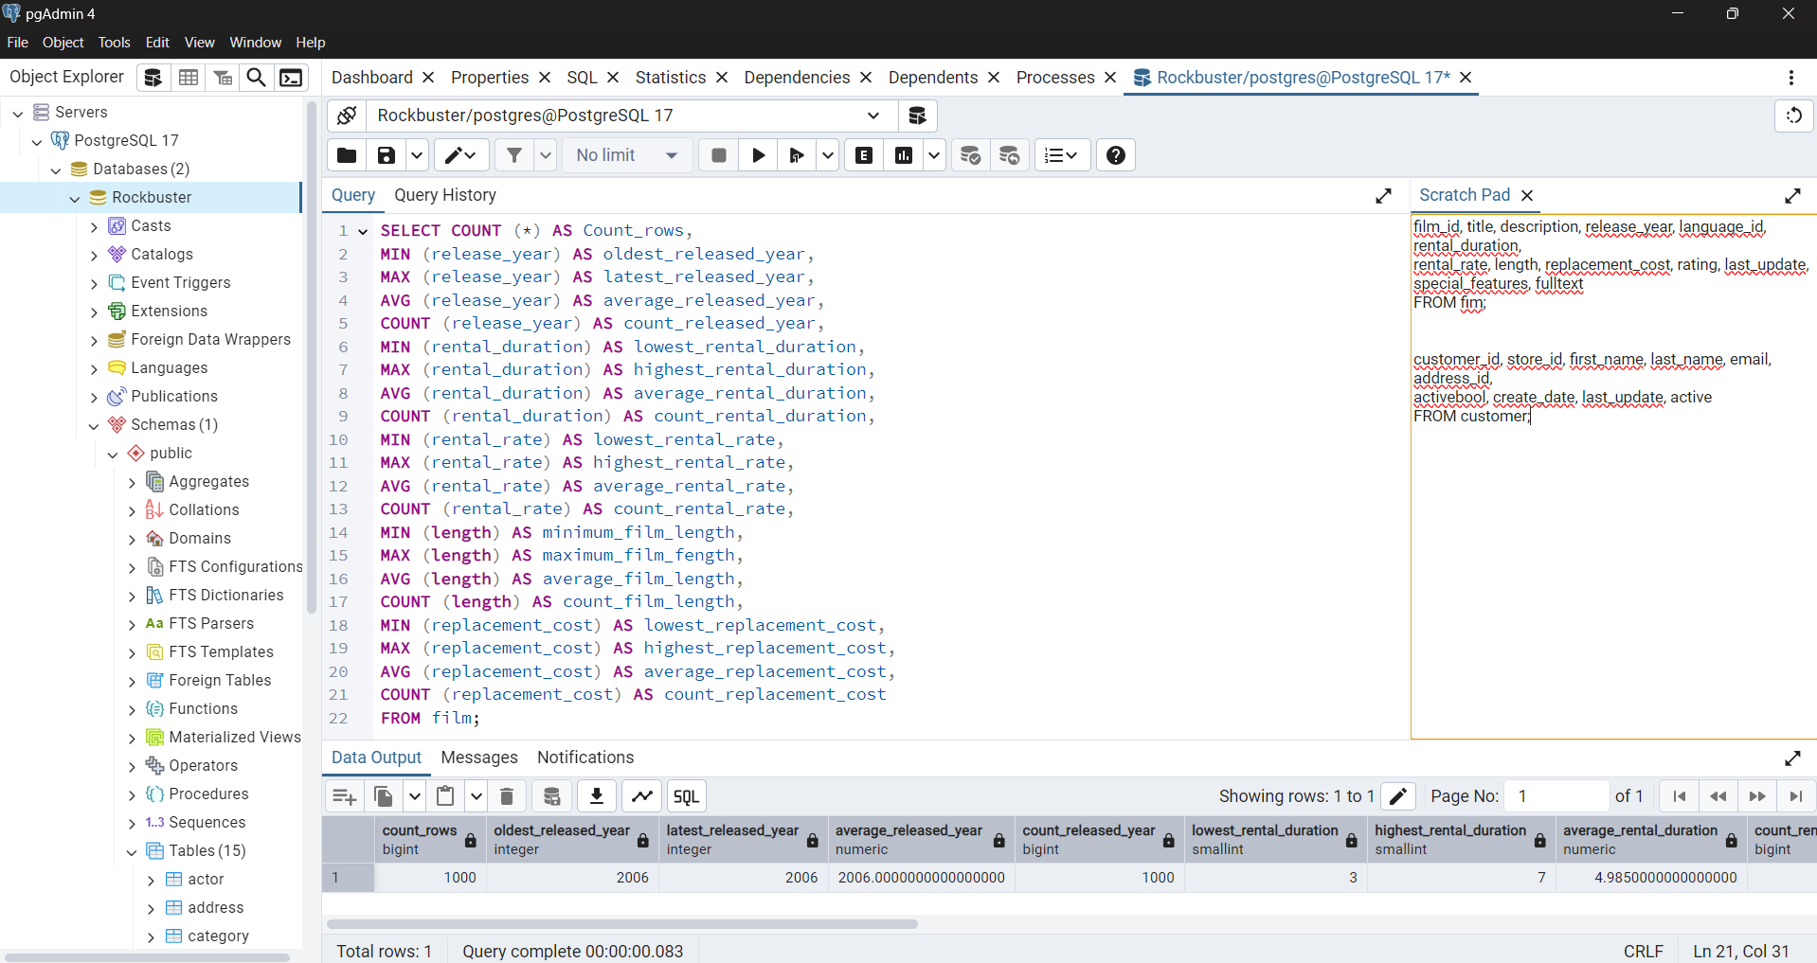

Summarizing the data for the non-numerical values(Film Query Table)

modal_language_id | modal_rating
1 | PG-13

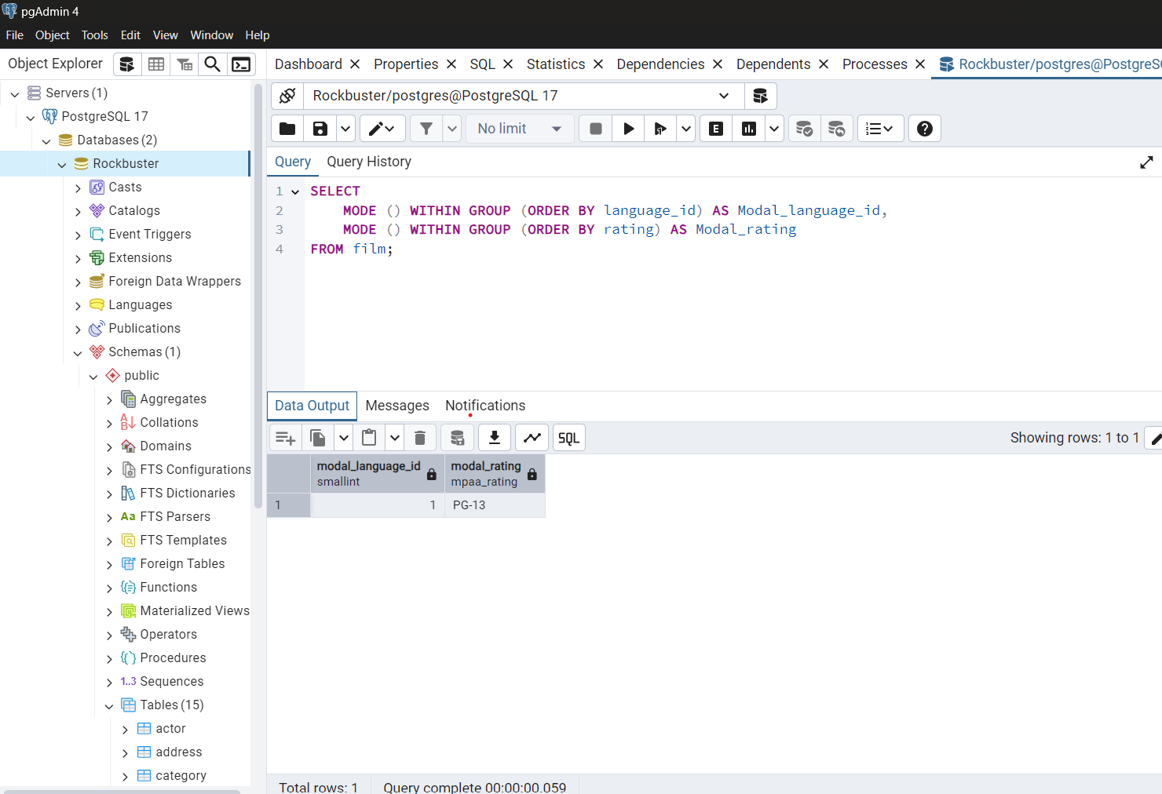

Summarizing the data for the non-numerical values(Customer Query Table)

modal_create_date | modal_store_id
2006-02-14 | 1

TASK 3.7
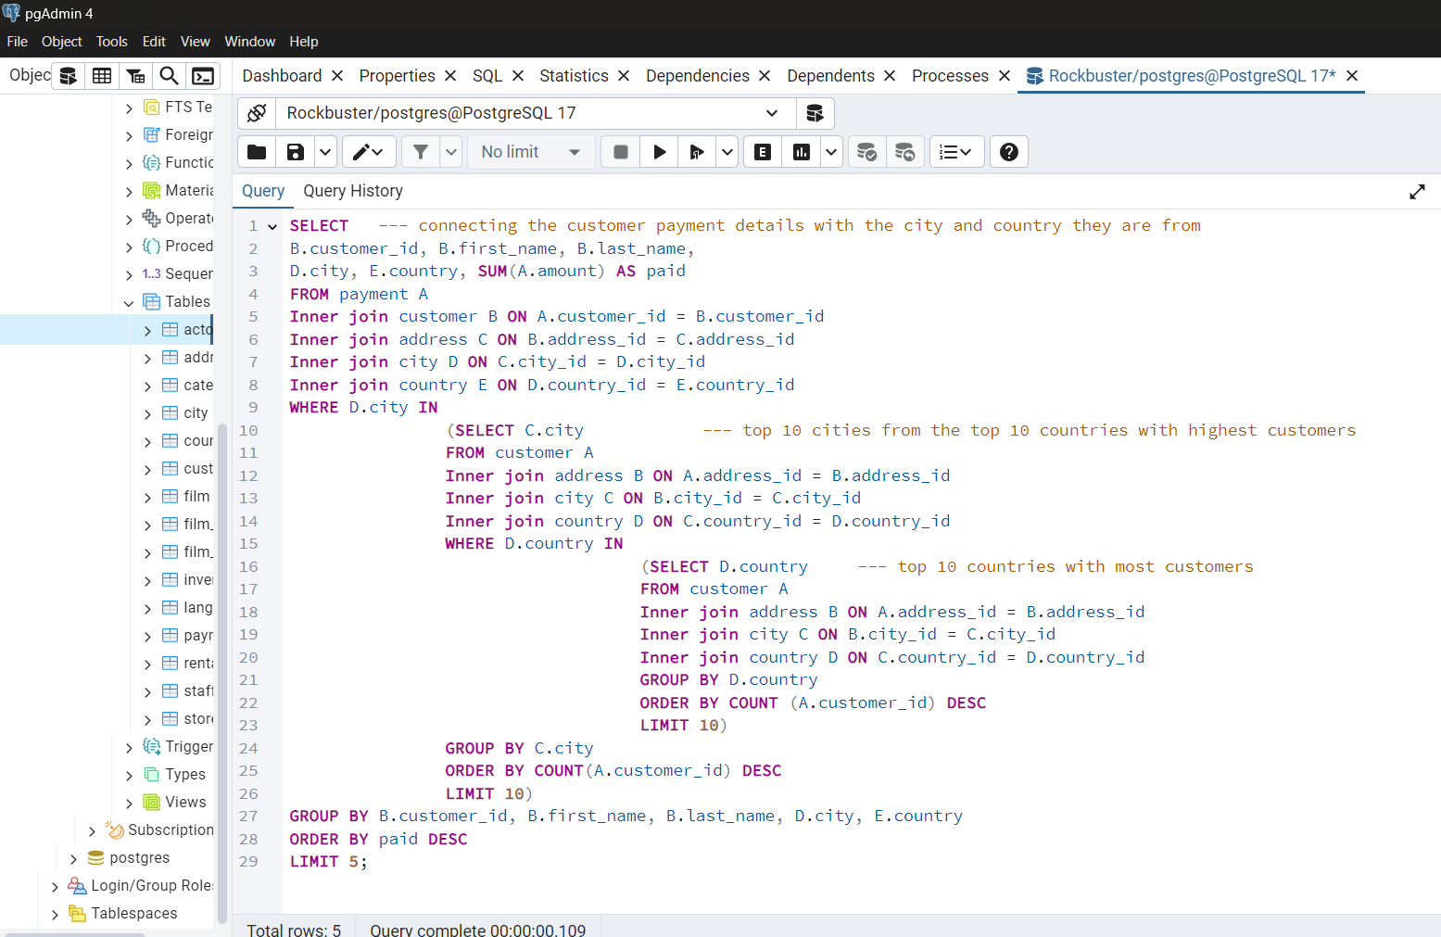
Rockbuster Stealth

DATA OUTPUTS

Created by: Samarjit Gehdu

TASK 3.7
STEP 1:
Write a query to find the top ten countries for Rock Buster in terms of customer numbers.

country | customer_count
India | 60
China | 53
United States | 36
Japan | 31
Mexico | 30
Brazil | 28
Russian Federation | 28
Philippines | 20
Turkey | 15
Indonesia | 14

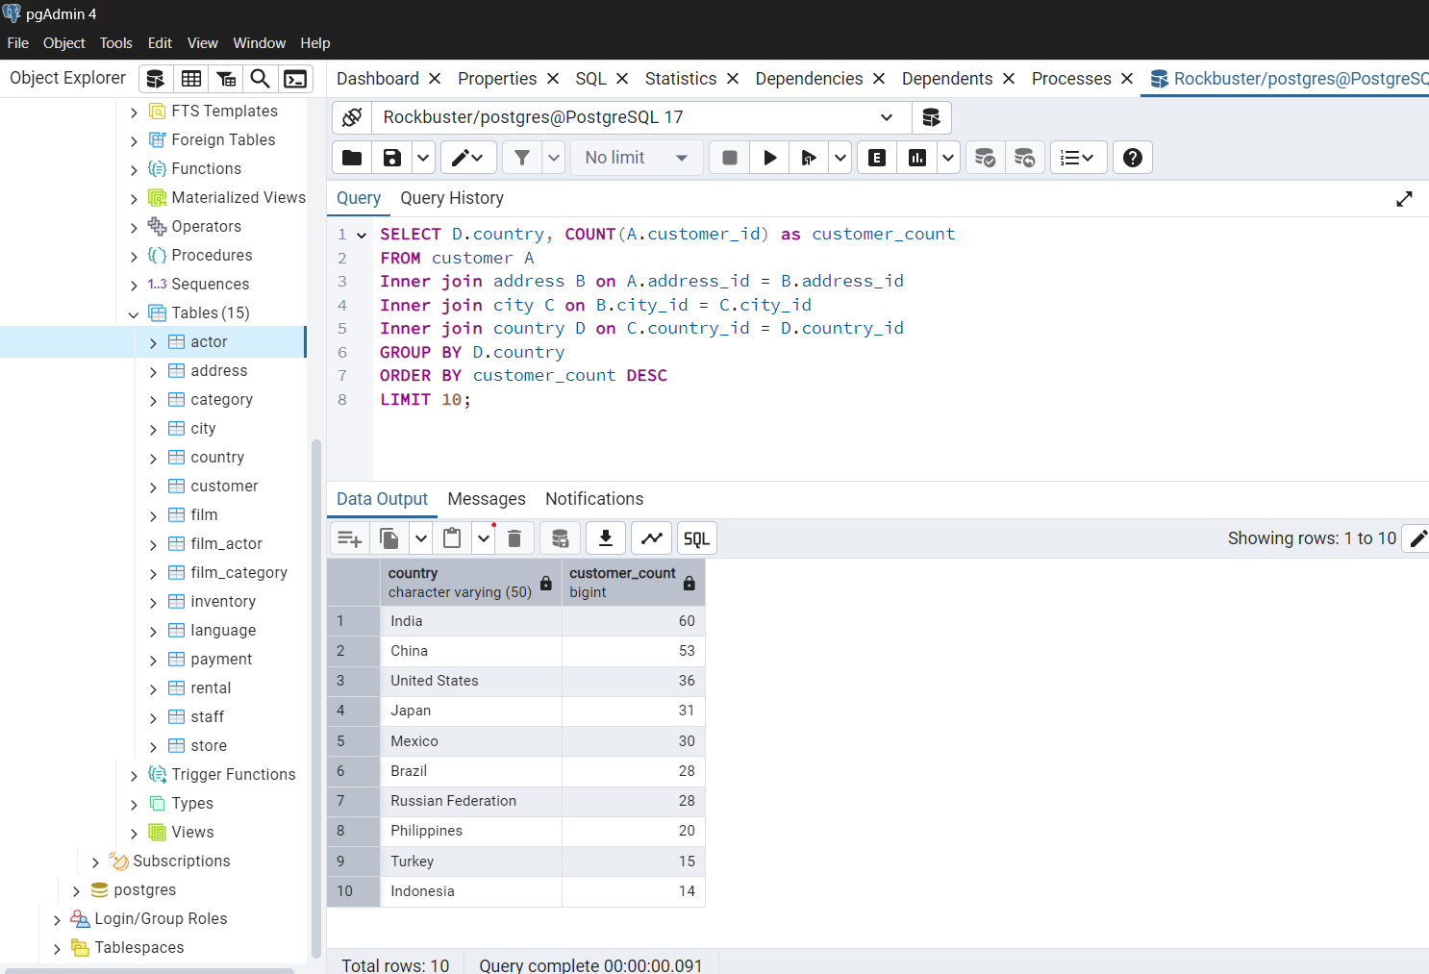

STEP 2:
Write a query to identify the top ten cities that fall within the top ten countries you identified in step 1.

city | country | customer_count
Aurora | United States | 2
Atlixco | Mexico | 1
Xintai | China | 1
Adoni | India | 1
Dhule (Dhulia) | India | 1
Kurashiki | Japan | 1
Pingxiang | China | 1
Sivas | Turkey | 1
Celaya | Mexico | 1
So Leopoldo | Brazil | 1

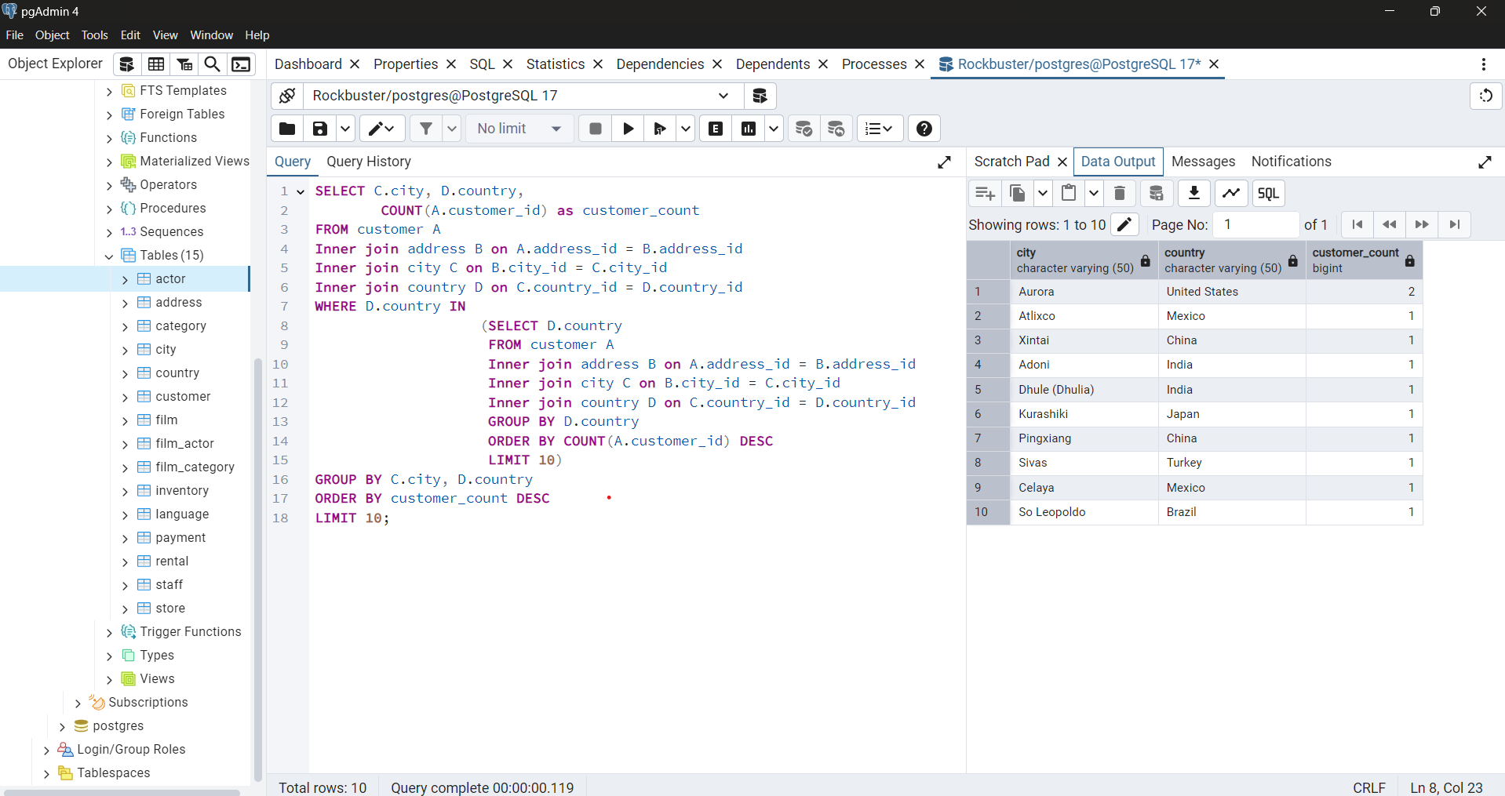

STEP 3:
Write a query to find the top 5 customers from the top 10 cities who’ve paid the highest total amounts to Rockbuster.

customer_id | first_name | last_name | city | country | paid
84 | Sara | Perry | Atlixco | Mexico | 128.7
518 | Gabriel | Harder | Sivas | Turkey | 108.75
587 | Sergio | Stanfield | Celaya | Mexico | 102.76
537 | Clinton | Buford | Aurora | United States | 98.76
367 | Adam | Gooch | Adoni | India | 97.8

